Hoja1
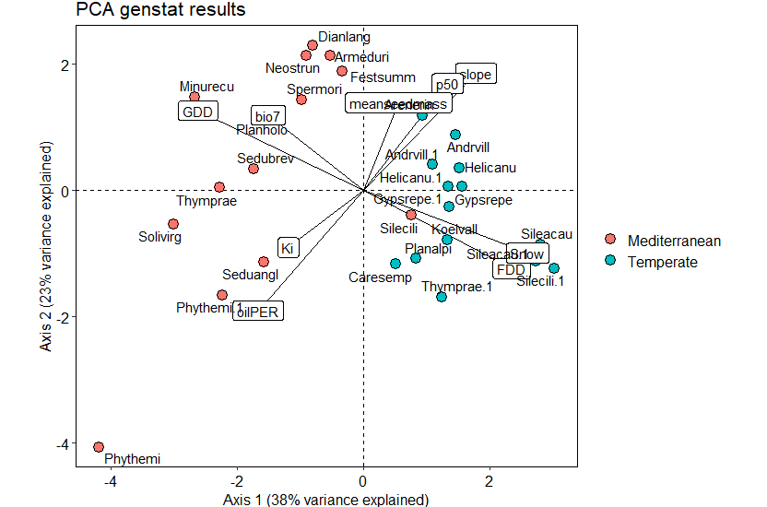
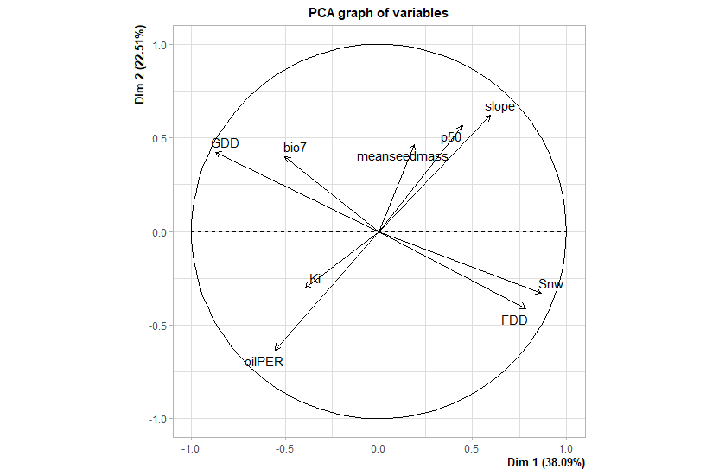
 | Ki | SEKi | tKi | slope | Seslope | tslope | p50 | p50se | lower95 | upper95 | bio1 | bio2 | bio7 | FDD | GDD | Snw | meanseedmass | sdseedmass | oilPER
Ki | 1 | 0.65642295 | -0.2846171 | -0.575965 | 0.58984037 | 0.34502839 | 0.01562437 | -0.094049928 | 0.05506221 | -0.02419053 | 0.17427546 | 0.25386395 | 0.16221965 | -0.07001623 | 0.20544853 | -0.19872745 | -0.2068626 | -0.08823986 | 0.17354893
SEKi | 0.65642295 | 1 | -0.8204452 | -0.9358707 | 0.99546627 | 0.59474456 | -0.32510606 | -0.217120562 | -0.33649753 | -0.28550507 | 0.08187425 | 0.21204785 | 0.07255585 | -0.11001921 | 0.13563031 | -0.173531865 | -0.20469457 | -0.20317836 | 0.37637097
tKi | -0.2846171 | -0.82044524 | 1 | 0.8629337 | -0.8397279 | -0.53683547 | 0.53953348 | 0.278509755 | 0.58216905 | 0.441357 | -0.14732556 | -0.28783211 | -0.18699102 | 0.20953595 | -0.18569415 | 0.200024454 | 0.15735189 | 0.2506126 | -0.55518131
slope | -0.57596497 | -0.93587066 | 0.8629337 | 1 | -0.94593052 | -0.4973811 | 0.56065675 | 0.37294151 | 0.57979461 | 0.49226985 | -0.18137698 | -0.2435942 | -0.0641248 | 0.19383316 | -0.24077107 | 0.27213797 | 0.21913182 | 0.24317454 | -0.5385476
Seslope | 0.58984037 | 0.99546627 | -0.8397279 | -0.9459305 | 1 | 0.59458107 | -0.36292295 | -0.231091226 | -0.37976219 | -0.31461476 | 0.06978569 | 0.19066201 | 0.04266139 | -0.11184288 | 0.12596023 | -0.170712113 | -0.20221153 | -0.21214493 | 0.39374417
tslope | 0.34502839 | 0.59474456 | -0.5368355 | -0.4973811 | 0.59458107 | 1 | 0.32335575 | 0.527507851 | 0.26292735 | 0.42498406 | 0.09897925 | 0.16919214 | 0.08611801 | -0.20908879 | 0.10240206 | -0.121470765 | -0.18718488 | -0.12430468 | 0.04904263
p50 | 0.01562437 | -0.32510606 | 0.5395335 | 0.5606568 | -0.36292295 | 0.32335575 | 1 | 0.869451133 | 0.99358881 | 0.97462737 | -0.12108172 | -0.14163519 | -0.03942433 | 0.07353764 | -0.1709434 | 0.19625253 | 0.05531026 | 0.17826044 | -0.62322346
p50se | -0.09404993 | -0.21712056 | 0.2785098 | 0.3729415 | -0.23109123 | 0.52750785 | 0.86945113 | 1 | 0.80951102 | 0.95773951 | 0.06725624 | 0.01842461 | 0.06439502 | -0.17717541 | 0.02625346 | 0.003989983 | -0.04053001 | -0.00985759 | -0.46578515
lower95 | 0.05506221 | -0.33649753 | 0.5821691 | 0.5797946 | -0.37976219 | 0.26292735 | 0.99358881 | 0.809511024 | 1 | 0.94416635 | -0.1500575 | -0.16159432 | -0.05187214 | 0.12179311 | -0.19912871 | 0.224964349 | 0.07090016 | 0.2104237 | -0.63428735
upper95 | -0.02419053 | -0.28550507 | 0.441357 | 0.4922698 | -0.31461476 | 0.42498406 | 0.97462737 | 0.957739508 | 0.94416635 | 1 | -0.03528163 | -0.06830355 | 0.01088515 | -0.04014981 | -0.08216689 | 0.111744116 | 0.01185657 | 0.09716192 | -0.57230835
bio1 | 0.17427546 | 0.08187425 | -0.1473256 | -0.181377 | 0.06978569 | 0.09897925 | -0.12108172 | 0.067256236 | -0.1500575 | -0.03528163 | 1 | 0.74479545 | 0.55256904 | -0.84630207 | 0.98502917 | -0.88799802 | 0.04336705 | -0.22865393 | 0.19094764
bio2 | 0.25386395 | 0.21204785 | -0.2878321 | -0.2435942 | 0.19066201 | 0.16919214 | -0.14163519 | 0.018424608 | -0.16159432 | -0.06830355 | 0.74479545 | 1 | 0.92148506 | -0.56647538 | 0.77663634 | -0.670941465 | -0.04463272 | -0.34270885 | 0.10144431
bio7 | 0.16221965 | 0.07255585 | -0.186991 | -0.0641248 | 0.04266139 | 0.08611801 | -0.03942433 | 0.064395022 | -0.05187214 | 0.01088515 | 0.55256904 | 0.92148506 | 1 | -0.3613019 | 0.55444776 | -0.401838479 | -0.0594821 | -0.29768204 | -0.05009681
FDD | -0.07001623 | -0.11001921 | 0.2095359 | 0.1938332 | -0.11184288 | -0.20908879 | 0.07353764 | -0.177175406 | 0.12179311 | -0.04014981 | -0.84630207 | -0.56647538 | -0.3613019 | 1 | -0.81552987 | 0.799739593 | -0.0586339 | 0.23671779 | -0.27436703
GDD | 0.20544853 | 0.13563031 | -0.1856942 | -0.2407711 | 0.12596023 | 0.10240206 | -0.1709434 | 0.026253462 | -0.19912871 | -0.08216689 | 0.98502917 | 0.77663634 | 0.55444776 | -0.81552987 | 1 | -0.908734053 | 0.03990556 | -0.24407653 | 0.21208115
Snw | -0.19872745 | -0.17353187 | 0.2000245 | 0.272138 | -0.17071211 | -0.12147076 | 0.19625253 | 0.003989983 | 0.22496435 | 0.11174412 | -0.88799802 | -0.67094147 | -0.40183848 | 0.79973959 | -0.90873405 | 1 | 0.05678973 | 0.38281839 | -0.26741181
meanseedmass | -0.2068626 | -0.20469457 | 0.1573519 | 0.2191318 | -0.20221153 | -0.18718488 | 0.05531026 | -0.040530012 | 0.07090016 | 0.01185657 | 0.04336705 | -0.04463272 | -0.0594821 | -0.0586339 | 0.03990556 | 0.056789727 | 1 | 0.76006502 | -0.39321337
sdseedmass | -0.08823986 | -0.20317836 | 0.2506126 | 0.2431745 | -0.21214493 | -0.12430468 | 0.17826044 | -0.00985759 | 0.2104237 | 0.09716192 | -0.22865393 | -0.34270885 | -0.29768204 | 0.23671779 | -0.24407653 | 0.382818389 | 0.76006502 | 1 | -0.39076185
oilPER | 0.17354893 | 0.37637097 | -0.5551813 | -0.5385476 | 0.39374417 | 0.04904263 | -0.62322346 | -0.46578515 | -0.63428735 | -0.57230835 | 0.19094764 | 0.10144431 | -0.05009681 | -0.27436703 | 0.21208115 | -0.267411807 | -0.39321337 | -0.39076185 | 1

Variable contribution
 | Dim.1 | Dim.2 | Dim.3 | Dim.4 | Dim.5 |  |  | eigenvalue | percentage of variance | cumulative percentage of variance
Ki | 4.545188 | 4.452314 | 46.9430265 | 14.071966045 | 1.9718451 |  | comp 1 | 3.42836537 | 38.0929485 | 38.09295
slope | 10.346112 | 18.947648 | 1.8494987 | 13.163271105 | 0.01782563 |  | comp 2 | 2.02628494 | 22.5142771 | 60.60723
p50 | 5.77236 | 15.769861 | 23.9449173 | 2.527581679 | 15.82013465 |  | comp 3 | 1.18622217 | 13.1802463 | 73.78747
bio7 | 7.337822 | 7.835375 | 6.2222719 | 1.2005175 | 65.46763606 |  | comp 4 | 0.91551361 | 10.1723735 | 83.95985
FDD | 17.907797 | 8.381148 | 2.036812 | 0.457836057 | 10.63268018 |  | comp 5 | 0.7291061 | 8.1011789 | 92.06102
GDD | 22.151092 | 8.802112 | 0.0703123 | 0.005825912 | 0.08837101 |  | comp 6 | 0.30372662 | 3.3747402 | 95.43576
Snw | 21.954985 | 5.36839 | 0.282956 | 0.406961143 | 4.40399475 |  | comp 7 | 0.23890228 | 2.6544697 | 98.09023
meanseedmass | 1.015924 | 10.651108 | 12.040508 | 62.624986434 | 0.01121124 |  | comp 8 | 0.10613649 | 1.1792943 | 99.26953
oilPER | 8.968721 | 19.792045 | 6.6096972 | 5.541054125 | 1.58630137 |  | comp 9 | 0.06574243 | 0.7304714 | 100

 | Ki | slope | p50 | bio7 | FDD | GDD | Snw | meanseedmass | oilPER
Ki | 1 | -0.575965 | 0.01562437 | 0.16221965 | -0.07001623 | 0.20544853 | -0.19872745 | -0.2068626 | 0.17354893
slope | -0.57596497 | 1 | 0.56065675 | -0.0641248 | 0.19383316 | -0.24077107 | 0.27213797 | 0.21913182 | -0.5385476
p50 | 0.01562437 | 0.5606568 | 1 | -0.03942433 | 0.07353764 | -0.1709434 | 0.19625253 | 0.05531026 | -0.62322346
bio7 | 0.16221965 | -0.0641248 | -0.03942433 | 1 | -0.3613019 | 0.55444776 | -0.40183848 | -0.0594821 | -0.05009681
FDD | -0.07001623 | 0.1938332 | 0.07353764 | -0.3613019 | 1 | -0.81552987 | 0.79973959 | -0.0586339 | -0.27436703
GDD | 0.20544853 | -0.2407711 | -0.1709434 | 0.55444776 | -0.81552987 | 1 | -0.90873405 | 0.03990556 | 0.21208115
Snw | -0.19872745 | 0.272138 | 0.19625253 | -0.40183848 | 0.79973959 | -0.90873405 | 1 | 0.05678973 | -0.26741181
meanseedmass | -0.2068626 | 0.2191318 | 0.05531026 | -0.0594821 | -0.0586339 | 0.03990556 | 0.05678973 | 1 | -0.39321337
oilPER | 0.17354893 | -0.5385476 | -0.62322346 | -0.05009681 | -0.27436703 | 0.21208115 | -0.26741181 | -0.39321337 | 1

